2.Hyper Param of DT Regressor
▣ METHODS OF DECISION TREE REGRESSORS |  |  |  |  | REFERENCE

 |  |  |  |  | ⇰REFERENCE (Website)-->Scikit Learn Regarding Conceptual & Practical Understanding of Various Hyper Parameters of Decision Tree Regressors

IMPERATIVE / FUNDAMENTAL HYPER PARAMETER FOR MODEL |  |  |  |  | ⇰REFERENCE (Website)-->Udemy Regarding Thereotical & Conceptual Implementation for Performance Evaluation (MSE, MAE )

⇰criterion{“squared_error”, “friedman_mse”, “absolute_error”, “poisson”}, default=”squared_error” ❶The function to measure the quality of a split. Supported criteria are “squared_error” for the mean squared error (MSE), which is equal to variance reduction as feature selection criterion and minimizes the L2 loss using the mean of each terminal node, “friedman_mse”, which uses mean squared error with Friedman’s improvement score for potential splits, “absolute_error” for the mean absolute error, which minimizes the L1 loss using the median of each terminal node, and “poisson” which uses reduction in Poisson deviance to find splits.

 |  |  |  |  | ⇰REFERENCE (Website)-->StatisticsShow To Regarding Practical (Coding) of Absolute Error & Mean Absolute Error (MAE) | ⇰REFERENCE (Website)-->Durham University Regarding Thereotical & Conceptual Understanding of Poisson Distribution

▣Mean Absolute Error-->(MAE) is the mean of the absolute value of the errors between actual and predicted values.The closer MAE is to 0, the more accurate the model is. | ▣Mean Square Error-->Mean Squared Error (MSE) is the mean of the squared errors There is no correct value for MSE. Simply put, the lower the value the better and 0 means the model is perfect. Since there is no correct answer. |  |  | ▣The Poisson distribution is a discrete distribution that measures the probability of a given number of events happening in a specified time period.

 |  |  |  |  | ⇰REFERENCE (Website)-->Wikipedia Regarding Thereotical & Conceptual Implementation of Poisson Distribution

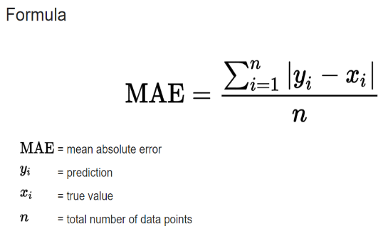
 | 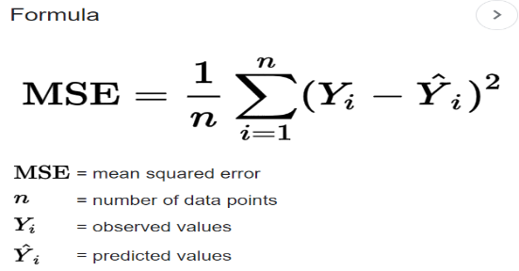 |  |  | 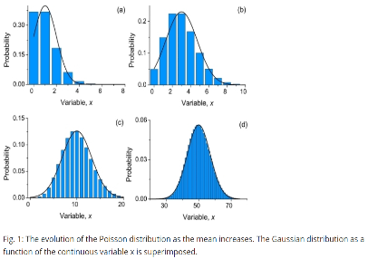

 |  |  |  |  | ⇰REFERENCE (Website)-->Scikit Learn Regarding Conceptual & Practical Understanding of Various Hyper Parameters of Decision Tree Regressors

⇰splitter{“best”, “random”}, default=”best”

❶The strategy used to choose the split at each node. Supported strategies are “best” to choose the best split and “random” to choose the best random split. ❷splitter :This is how the decision tree searches the features for a split. The default value is set to “best”. That is, for each node, the algorithm considers all the features and chooses the best split. If you decide to set the splitter parameter to “random” then a random subset of features will be considered. ❸Basically in Simple Words :- ▣Using best, the model if taking the feature with the highest importance ▣Using random, the model if taking the feature randomly but with the same distribution (in gini, proline have an importance of 38% so it will be taken in 38% of cases) |  |  |  |  | ⇰REFERENCE (Website)-->Udemy Regarding Conceptual & Practical Understanding (Coding) of Various Hyper Parameter of Decision Tree Regressors | ⇰REFERENCE (Website)-->Stackoverflow Regarding Thereotical & Conceptual Understanding of Hyper Parameter "splitter"

⇰max_depth:int, default=None (PRUNING)
❶The maximum depth of the tree. If None, then nodes are expanded until all leaves are pure or until all leaves contain less than min_samples_split samples. ❷According to Udemy It is mandating a maximum depth of our decision tree.So what we can do here is decide that we only want the decision tree to have a depth of two potential split layers, essentially splitting off the root node and then splitting off of those nodes. Anything further down than that, we're going to go ahead and prune or cut off so we can mandate a maximum depth of the tree, which would mean that we would just go back up and make those terminal or leaf nodes instead of decision nodes. |  |  |  | 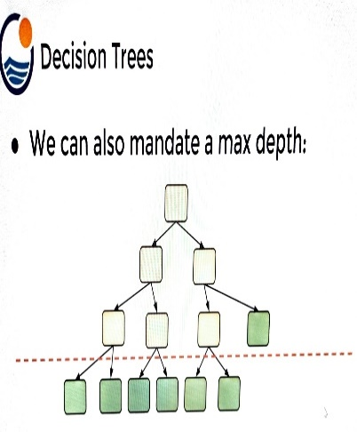 | ⇰REFERENCE (Website)-->Udemy Regarding Thereotical & Conceptual Understanding of Hyper Parameter-> Max_Depth

▣internal node Vs leaf node

❶A leaf node is a node that has no children. A node that does have children is known as an internal node. The root is an internal node, except in the special case of a tree that consists of just one node . |  |  |  |  | ⇰REFERENCE (Website)-->Quora Regarding Thereotical & Conceptual Understanding of Internal Node Vs Leaf Node | ⇰REFERENCE (Website)-->Stackoverflow Regarding Thereotical & Conceptual Understanding of internal Node Vs Leaf Node

⇰min_samples_split:int or float, default=2
❶The minimum number of samples required to split an internal node: ▣If int, then consider min_samples_split as the minimum number. ▣If float, then min_samples_split is a fraction and (min_samples_split *n_samples) are the minimum number of samples for each split. ∎So in Simple Words We will Understand This with Example If min_samples_split=10 Then It means There Will be no Splitting At Decision Node Unless If Samples is Less than 10 Here in This Chart we can see where gini=0.4444 Concurrently Samples=6 So from that there is no splitting & Because of Condition If samples < 10 Then No Splitting from Decision Node Ultimately it will become Terminal Node. |  | 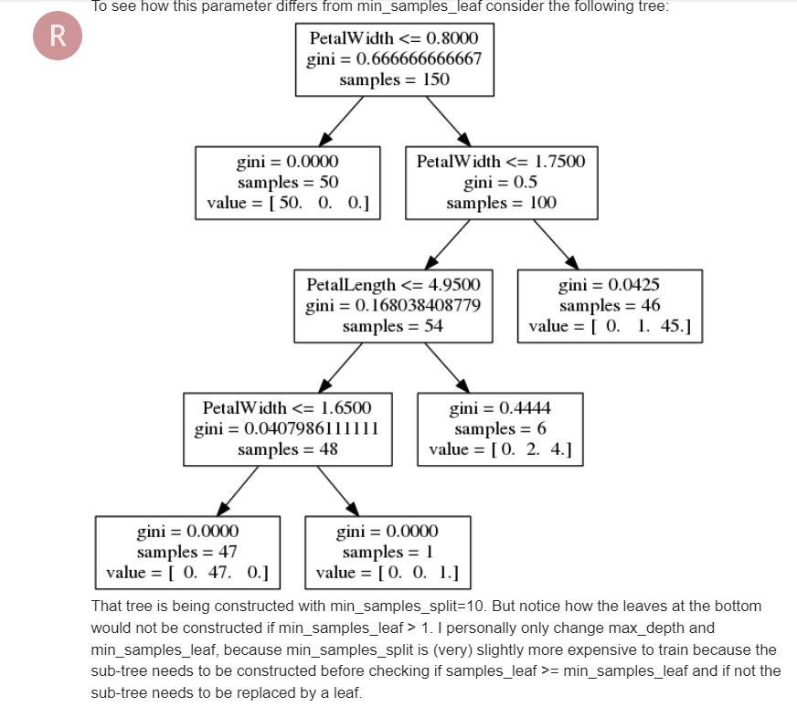 |  |  | ⇰REFERENCE (Website)-->Analytics Vidhya Regarding Thereotical & Conceptual Understanding of Param min_sample_split in Decision Tree

⇰min_samples_leaf:int or float, default=1
❶The minimum number of samples required to be at a leaf node. A split point at any depth will only be considered if it leaves at least min_samples_leaf training samples in each of the left and right branches. This may have the effect of smoothing the model, especially in regression. ▣If int, then consider min_samples_leaf as the minimum number. ▣If float, then min_samples_leaf is a fraction and ceil (min_samples_leaf * n_samples) are the minimum number of samples for each node. ∎So in Simple Words We will Understand This with Example If min_samples_leaf=2 Then there will be no splitting at Decision Node In this Chart where gini=0 & sample =1 But There is No Splitting because min_sample_leaf is set=2 & Main Condition is Both Branches (Left & Right) 's samples >2.If Any one Of Branches 's samples<2 Then it will become Leaf (Terminal node) |  |  |  |  | ⇰REFERENCE (Website)-->Stackoverflow Regarding Thereotical & Conceptual Understanding of min_samples_split and min_samples_leaf in Decision Tree Regressors | ⇰REFERENCE (Website)-->Ytho Python Regarding Conceptual & Practical Understanding of Diff in Between Min_sample Leaf Vs Min Sample Split
 |  |  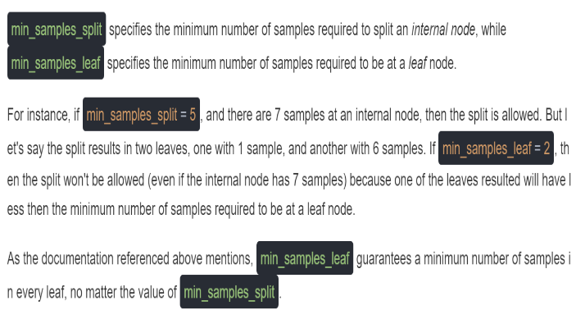

 |  |  |  |  | ⇰REFERENCE (Website)-->Analytics Vidhya Regarding Thereotical & Conceptual Understanding of Param min_sample_split in Decision Tree

 |  |  |  |  | ⇰REFERENCE (Website)-->Scikit Learn Regarding Conceptual & Practical Understanding of Various Hyper Parameters of Decision Tree Regressors

▣Min Sample Leaf Vs Min Sample Split
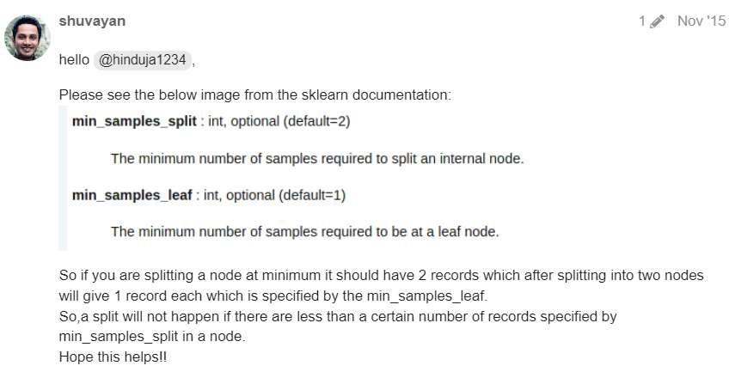  |  |  |  |  | ⇰REFERENCE (Website)-->Analytics Vidhya Regarding Thereotical & Conceptual Understanding of Param min_sample_split in Decision Tree | ⇰REFERENCE (Website)-->Ytho Python Regarding Conceptual & Practical Understanding of Diff in Between Min_sample Leaf Vs Min Sample Split

⇰max_features:int, float or {“auto”, “sqrt”, “log2”}, default=None |  |  |  |  | ⇰REFERENCE (Website)-->Medium (Towards Data Science) Regarding Thereotical & Conceptual Understanding of Hyper Param =>max_features
❶The number of features to consider when looking for the best split:- ▣If int, then consider max_features features at each split. ▣If float, then max_features is a fraction and max(1, int(max_features * n_features_in_)) features are considered at each split. ▣If “sqrt”, then max_features=sqrt(n_features). ▣If “log2”, then max_features=log2(n_features). ▣If None, then max_features=n_features. ❷Basically in Simple Words max_features The number of features to consider when looking for the best split (Responsible for Root Node).If this value is not set, the decision tree will consider all features available to make the best split. Depending on your application, it's often a good idea to tune this parameter.

 |  |  |  |  | ⇰REFERENCE (Website)-->Scikit Learn Regarding Conceptual & Practical Understanding of Various Hyper Parameters of Decision Tree Regressors

⇰max_leaf_nodes:int, default=None
❶Grow a tree with max_leaf_nodes in best-first fashion. Best nodes are defined as relative reduction in impurity. If None then unlimited number of leaf nodes. ❷Maximum number of leaf nodes a decision tree can have. Basically in Simple Words We can adjust Maximum No of Leaf Nodes (Terminal Nodes) at End of Decision Tree For Ex In This Decision Tree we set max_leaf_nodes=2 so we can see in this figure We have 2 Leaf Nodes (Terminal Nodes). |  | 

⇰random_state:int, RandomState instance or None, default=None
❶Controls the randomness of the estimator. The features are always randomly permuted at each split, even if splitter is set to "best". ❷When max_features < n_features, the algorithm will select max_features at random at each split before finding the best split among them.But the best found split may vary across different runs, even if max_features=n_features. ❸That is the case, if the improvement of the criterion is identical for several splits and one split has to be selected at random. To obtain a deterministic behaviour during fitting, random_state has to be fixed to an integer. ❹Basically in Simple Words Every time you Run Your Model it will create New Decision Tree & Having New Parameter & New Random Features so to Control That We need to Put random_state:int . |  | 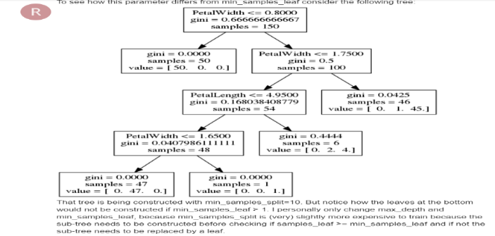 |  |  | ⇰REFERENCE (Website)-->Scikit Learn Regarding Conceptual & Practical Understanding of Various Hyper Parameters of Decision Tree Regressors

⇰min_impurity_decrease:float, default=0.0 |  |  |  |  | ⇰REFERENCE (Website)-->Udemy Regarding Thereotical & Conceptual Understanding of Param min_impurity_decrease used in Decision Tree Regressor
❶A node will be split if this split induces a decrease of the impurity greater than or equal to this value. ❷Basically in Simple Words (Udemy) Let's imagine that we have many features and we're having this really large over fitted tree.That is, the tree ends up being very deep with many different types of potential splits & often if you have a very large tree, it could potentially over fit to your training data, meaning it doesn't have enough bias to perform well on test data. ❸What you can do to alleviate this issue is add in the parameter of a minimum impurity decrease after being split on a node. |  |  | 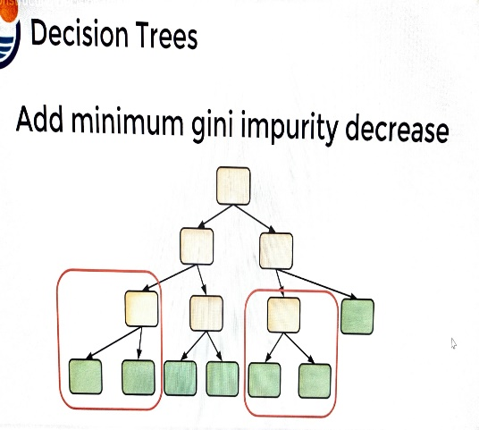

❹Essentially we're asking the decision tree to only split on the node if it's worth the decrease in impurity.That is, it's separating out the classes enough that splitting on that particular feature node was actually useful and adding in more information so we can add in that threshold.For example, maybe these two particular instances of nodes being split, then it meet our impurity decrease threshold. ❺ So they weren't really separating out these classes enough in order to meet the decrease in impurity for our threshold, in which case we're essentially going to perform automatic feature selection & this is also pruning the tree a bit because that particular feature node could actually decrease impurity,it's just going to become a leaf node.Another parameter we can adjust is mandating a maximum depth of our decision tree.

 |  |  |  |  | ⇰REFERENCE (Website)-->1.11(iii)Decision Tree Regressors Regarding Conceptual & Practical Implementation (Coding) of HyperParam of Decision Tree Regressor With Grid Search CV

3..Methods of DT Regressor
▣ METHODS OF DECISION TREE REGRESSORS |  | REFERENCE

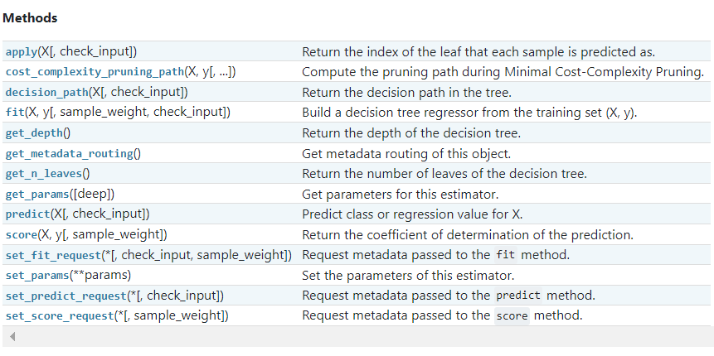 |  | ⇰REFERENCE (Website)-->Scikit Learn Regarding Thereotical & Conceptual of Various Methods of Understanding of Decision Tree Regressor

 |  | ⇰REFERENCE (Website)-->Udemy Regarding Thereotical & Conceptual Understanding of Various Methods of Decision Tree Classifiers

⇰fit(X, y, sample_weight=None) ❶Run fit with all sets of parameters ❷Build a decision tree regressor + Grid Search CV (grid_model) from the training set (X, y).

 |  | ⇰REFERENCE (Website)-->1.11(iii) Google Colab DT (Decision Tree Regressors) With Grid Search CV Regarding Practical Implementation of (Fit_methods of DT Regressor)

⇰predict(X) ❶Transform the data, and apply predict with the final estimator. ❷Predict class or regression value for X.For a classification model, the predicted class for each sample in X is returned. For a regression model, the predicted value based on X is returned.

 |  | ⇰REFERENCE (Website)-->1.11(iii) Google Colab DT (Decision Tree Regressors) With Grid Search CV Regarding Practical Implementation of (Predict_methods of DT Regressor)

⇰get_params(deep=True) ❶Get parameters for this estimator. ❷deep:bool, default=True ,If True, will return the parameters for this estimator & contained sub objects that are estimators. Parameter names mapped to their values in dict format . ❸ In 2nd Instance we had seen that we Create get_params by using calling keys & display result in List Format . ❹Basically in Simple words this param_grid parameter allows you to pass the grid of parameters you are searching. This grid must be formatted as a dictionary with the key corresponding to the specific estimator’s parameter names, and the values corresponding to a list of values to pass for the specific parameters.

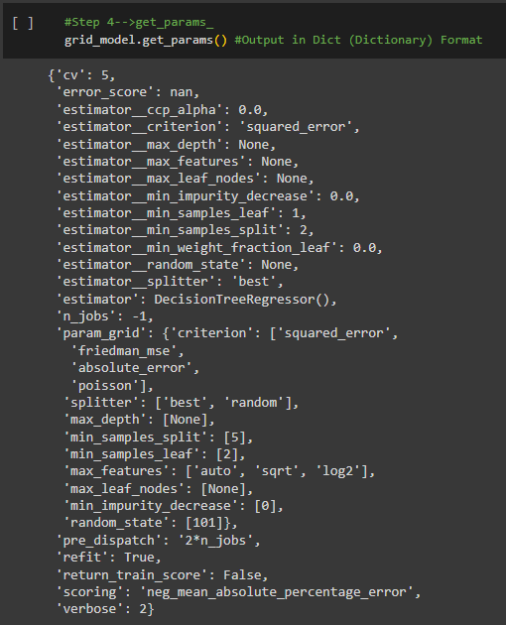 |  | ⇰REFERENCE (Website)-->1.11(iii) Google Colab DT (Decision Tree Regressors) With Grid Search CV Regarding Practical Implementation of (get_params (dict format) methods of DT Regressor)

 |  | ⇰REFERENCE (Website)-->Udemy Regarding Thereotical & Conceptual Understanding of Various Methods of Decision Tree Classifiers

 |  | ⇰REFERENCE (Website)-->Udemy Regarding Thereotical & Conceptual Understanding of Various Methods of Decision Tree Classifiers

 |  | ⇰REFERENCE (Website)-->Scikit Learn Regarding Thereotical & Conceptual of Various Methods of Understanding of Decision Tree Regressor

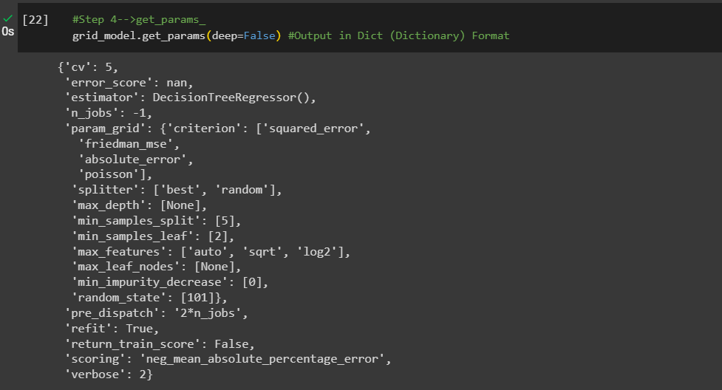 |  | ⇰REFERENCE (Website)-->1.11(iii) Google Colab DT (Decision Tree Regressors) With Grid Search CV Regarding Practical Implementation of ((get_params (Dict Format)methods of DT Regressor))

 |  | ⇰REFERENCE (Website)-->1.11(iii) Google Colab DT (Decision Tree Regressors) With Grid Search CV Regarding Practical Implementation of Imperative Methods of get_params in List Format

⇰set_params(params) ❶Set the parameters of this estimator. ❷In simple words set_params (Setting or Readjusting any Hyper Parameter again with New Param) ,We can Perform Readjustment or Reconfiguration of any Hyper Parameter for Given Model & then Re-run the Model.

❸Basically in upcoming Example We can see changes in set_params (n_jobs=>-1) to (n_jobs=>1) & (verbose=>2) to (verbose=>1) If we do comparison against Previous model.get_params() we can see those changes.

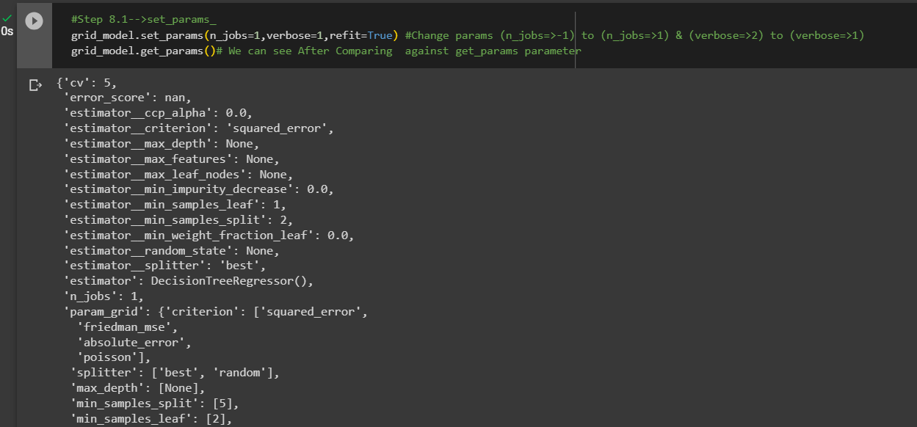 |  | ⇰REFERENCE (Website)-->1.11(iii) Google Colab DT (Decision Tree Regressors) With Grid Search CV Regarding Practical Implementation of (set_params methods of DT Regressor) | ⇰REFERENCE (Website)-->Scikit Learn Regarding Thereotical & Conceptual of Various Methods of Understanding of Decision Tree Regressor

 |  | ⇰REFERENCE (Website)-->Udemy Regarding Thereotical & Conceptual Understanding of Various Methods of Decision Tree Classifiers | ⇰REFERENCE (Website)-->1.11(iii) Google Colab ET (Extra Tree Classifiers) With Grid Search CV Regarding Practical Implementation of Imperative Methods of set_params in List Format

⇰cost_complexity_pruning_path(X, y, sample_weight=None) ❶Compute the pruning path during Minimal Cost-Complexity Pruning. ❷Basically in Simple Words Minimal cost-complexity pruning is an algorithm used to prune a tree to avoid over-fitting. This algorithm is parameterized by known as the complexity parameter.

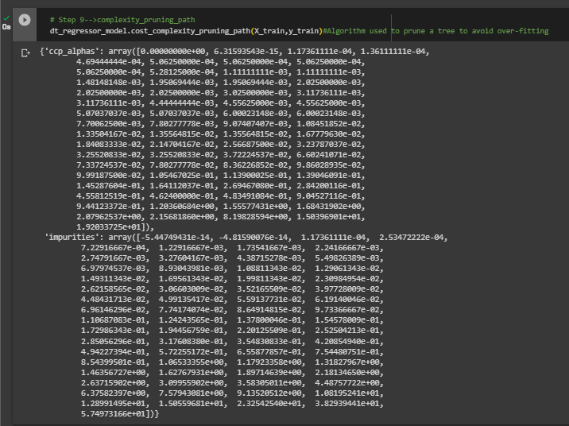 |  | ⇰REFERENCE (Website)-->1.11(iii) Google Colab DT (Decision Tree Regressors) With Grid Search CV Regarding Practical Implementation of (cost_compexity_pruning_path methods of DT Regressor)

⇰get_depth() ❶Return the depth of the decision tree.The depth of a tree is the maximum distance between the root and any leaf. ❷Basically in Simple Words It is maximum depth of the tree. If None, then nodes are expanded until all leaves are pure or until all leaves contain less than min_samples_split samples. |  | ⇰REFERENCE (Website)-->Scikit Learn Regarding Thereotical & Conceptual of Various Methods of Understanding of Decision Tree Regressor

❶A node will be split if this split induces a decrease of the impurity greater than or equal to this value. ❷Basically in Simple Words (Udemy) Let's imagine that we have many features and we're having this really large over fitted tree.That is, the tree ends up being very deep with many different types of potential splits & often if you have a very large tree, it could potentially over fit to your training data, meaning it doesn't have enough bias to perform well on test data. ❸What you can do to alleviate this issue is add in the parameter of a minimum impurity decrease after being split on a node.

 |  | ⇰REFERENCE (Website)-->1.11(iii) Google Colab DT (Decision Tree Regressors) With Grid Search CV Regarding Practical Implementation of (get_depth methods of DT Regressor)

⇰get_n_leaves() ❶Return the number of leaves of the decision tree. ❷ Basically in Simple words get_n_leaves() basically refer to no of Leaves (Terminal Node) Created in Decision Tree & Via scikit learn (plot_tree) you can do proper visualization. ❸Best_Estimator's Model from Grid Search CV for This Methods .

 |  | ⇰REFERENCE (Website)-->1.11(iii) Google Colab DT (Decision Tree Regressors) With Grid Search CV Regarding Practical Implementation of (get_n_leaves methods of DT Regressor)

⇰apply(X[, check_input]) ❶Return the index of the leaf (Terminal Node) that each sample is predicted as. ❷Best_Estimator's Model from Grid Search CV for This Methods .

 |  | ⇰REFERENCE (Website)-->1.11(iii) Google Colab DT (Decision Tree Regressors) With Grid Search CV Regarding Practical Implementation of (apply(X[,check_input]) methods of DT Regressor)

⇰decision_path(X, check_input=True) ❶Return the decision path in the tree. ❷Basically in Simple Words This Methods (decision function) will tell us regarding Types of data (Format) & No of Elements Storage in what location ? ❸Best_Estimator's Model from Grid Search CV for This Methods.

 |  | ⇰REFERENCE (Website)-->1.11(iii) Google Colab DT (Decision Tree Regressors) With Grid Search CV Regarding Practical Implementation of (decision_path(X, check_input=True) methods of DT Regressor))

»get_scorer_names ⇰sklearn.metrics.get_scorer_names()

❶Get the names of all available scorers.These names can be passed to get_scorer to retrieve the scorer object.. ❷get_scorer_names is typically a method or function found in machine learning libraries, particularly ones like scikit-learn, where it provides a list of available scoring metrics that can be used to evaluate the performance of a model.When you’re optimizing a model, you might want to compare different metrics or choose a specific metric to focus on. Using get_scorer_names ensures you know all the valid metrics available in the library. | 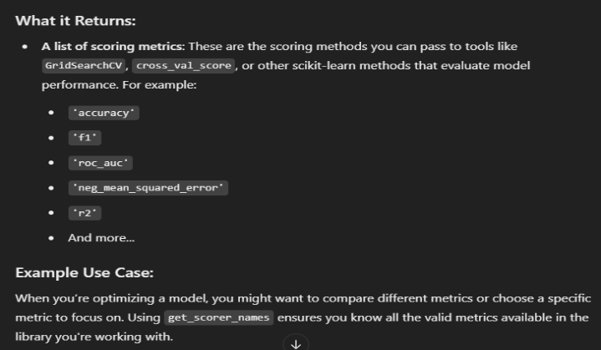 | ⇰REFERENCE (Website)-->Scikitlearn Regarding Conceptual Understanding of Various Methods⇒ get_scorer_names

 |  | ⇰REFERENCE (Website)-->Scikit Learn Regarding Metric Scoring Or Various Types of Metric Scoring

 |  | ⇰REFERENCE (Website)-->1.11(iii) Google Colab Decision Tree Regressors With Grid Search CV Regarding Practical Implementation of Imperative Methods of (get_scorer_names)

 |  | ⇰REFERENCE (Website)-->Scikit Learn Regarding Thereotical & Conceptual of Various Methods of Understanding of Decision Tree Regressor | ⇰REFERENCE (Website)-->Udemy Regarding Thereotical & Conceptual Understanding of Various Methods of Decision Tree Classifiers

»make_scorer ⇰sklearn.metrics.make_scorer(score_func, *, response_method=None, greater_is_better=True, needs_proba='deprecated', needs_threshold='deprecated', **kwargs)[source] |  | ⇰REFERENCE (Website)-->Scikitlearn Regarding Conceptual Understanding of Various Methods For make_scorer

❶make_scorer⇒ is a utility function in scikit-learn that allows you to turn a custom evaluation metric (A Python function) into a scorer object that can be used for model evaluation, hyperparameter tuning, and cross-validation. It essentially wraps your function into a form that the scikit-learn ecosystem understands.Return the mean accuracy on the given test data & labels. ❸Scorer Metric is used for the purpose for finding what kind of evaluation Criteria is used in Given Dataset for the purpose of Finding Out the Error & In this case it is 'Negative Mean Absolute Percentage Error' in AdaBoosting Regressor. ❹Basically in upcoming example Negative Mean Absolute Percentage Error =0.1505=>15.05% (Error) In Simple Words (Incorrect Prediction=>15.05% ) & (Remaining Correct Prediction=0.8495 =>84.95%). ❺Negative Mean Absolute Percentage Error (NMAPE) taking the sum of observed values and the sum of predicted values, & calculating the error between those two values. A lower value indicates a more accurate model.Since NMAPE is a measure of error, high numbers are bad and low numbers are good. | 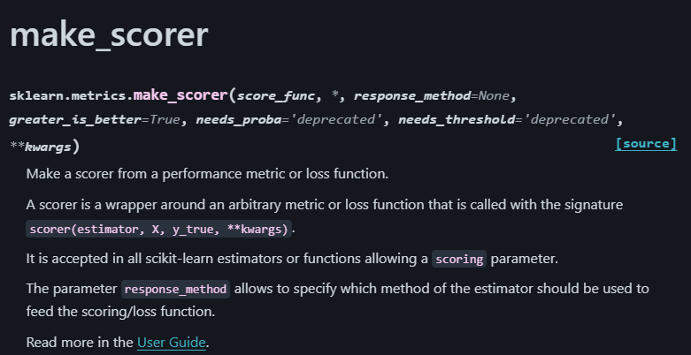
 |  | ⇰REFERENCE (Website)-->Scikit Learn Regarding Metric Scoring Or Various Types of Metric Scoring

 |  | ⇰REFERENCE (Website)-->Scikit Learn Regarding Thereotical & Conceptual of Various Methods of Understanding of Decision Tree Regressor

 |  | ⇰REFERENCE (Website)-->Udemy Regarding Thereotical & Conceptual Understanding of Various Methods of Decision Tree Classifiers

 | 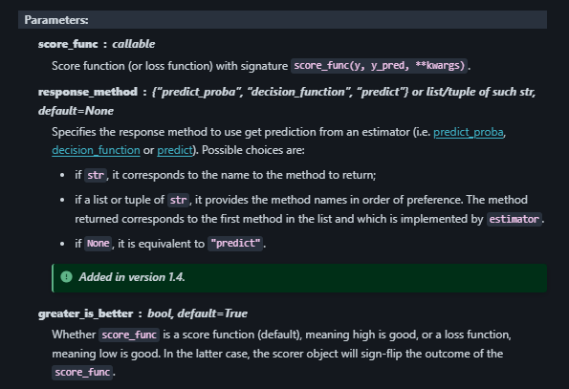

 |  | ⇰REFERENCE (Website)-->Scikit Learn Regarding Thereotical & Conceptual of Various Methods of Understanding of Decision Tree Regressor

»Example 1: Custom Scorer for Precision
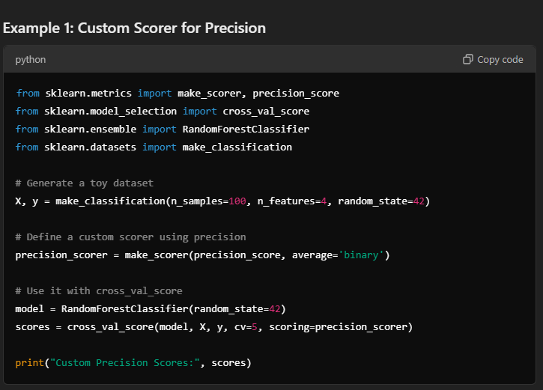

 | 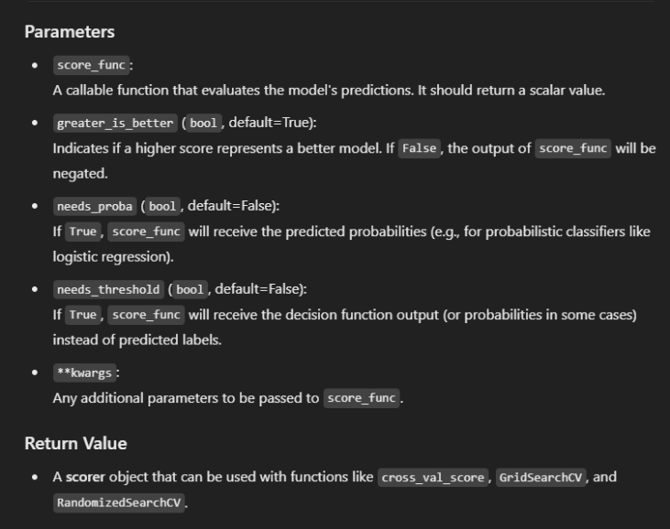

»Example 2: Using Custom Function for scoring
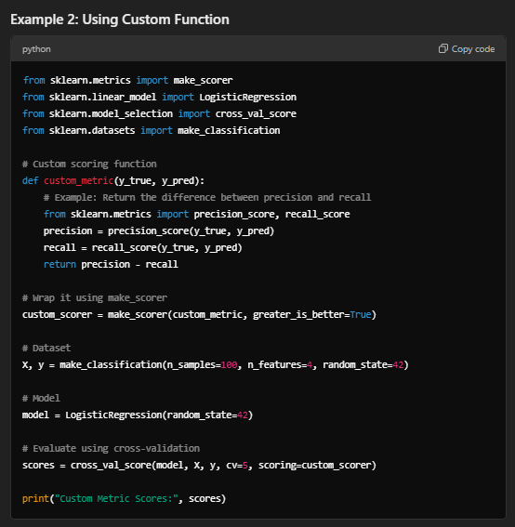

⇒score.response_method("predict) ❶Specifies how to obtain predictions from the model. ❷By default, response_method='predict' is used for classification models. It calls the predict method of the estimator. |  | ⇰REFERENC (Website)-->Scikitlearn Regarding Glossary of Common Terms make_scorer.response_methods (predict)

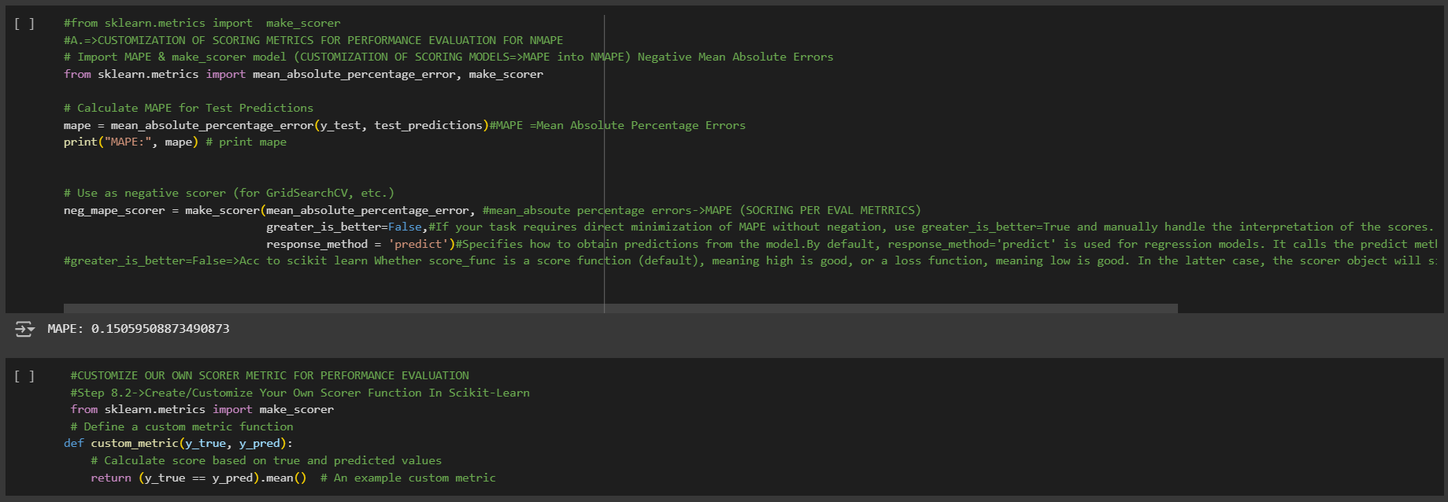

 |  | ⇰REFERENCE (Website)-->Scikit Learn Regarding Metric Scoring Or Various Types of Metric Scoring

 |  | ⇰REFERENCE (Website)-->1.11(iii) Google Colab Decision Tree Regressors With Grid Search CV Regarding Practical Implementation of Imperative Methods of make_scorer

 |  | ⇰REFERENCE (Website)-->Udemy Regarding Thereotical & Conceptual Understanding of Various Methods of Decision Tree Classifiers

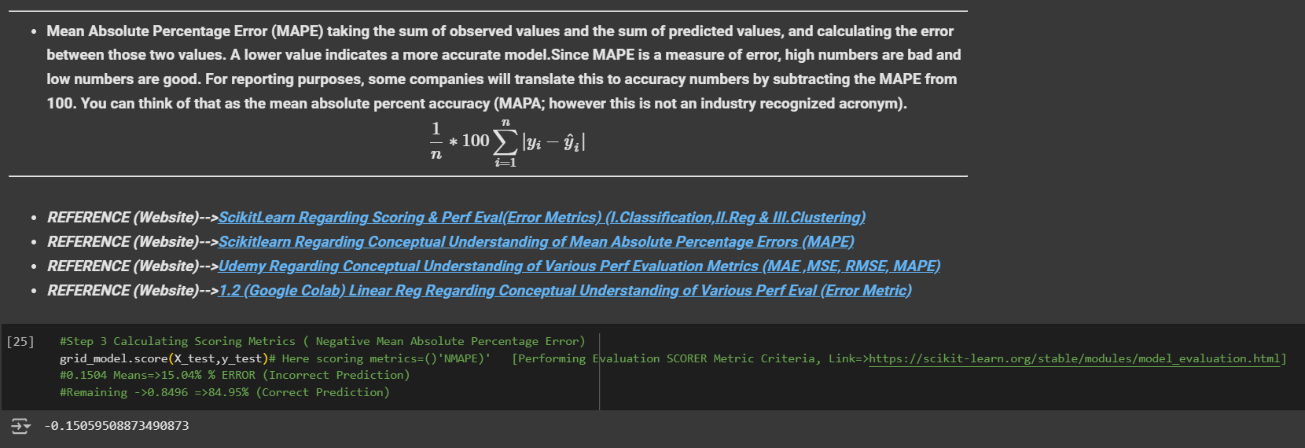
 |  | ⇰REFERENCE (Website)-->Scikit Learn Regarding Thereotical & Conceptual of Various Methods of Understanding of Decision Tree Regressor

4.Attribute of DT Regressor
▣ ATTRIBUTES OF DECISION TREE REGRESSORS | REFERENCE

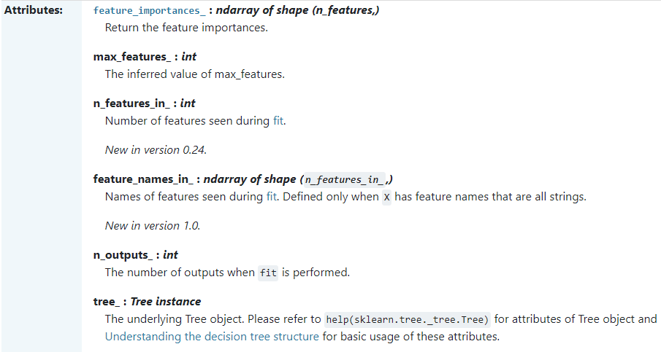 | ⇰REFERENCE (Website)-->Scikit Learn Regarding Thereotical & Conceptual Understanding of Attributes of Decision Tree Regressors

 | ⇰REFERENCE (Website)-->Udemy Regarding Thereotical & Conceptual Understanding of Various Methods of Decision Tree Classifiers

⇰feature_importances_:ndarray of shape (n_features,) ❶Return the feature importances. ❷ Basically in Simple Words it will report back the relative importance of each feature and its decision making & this is listed in the same order as the X features. ❸Best_Estimator's Model from Grid Search CV for This Attributes

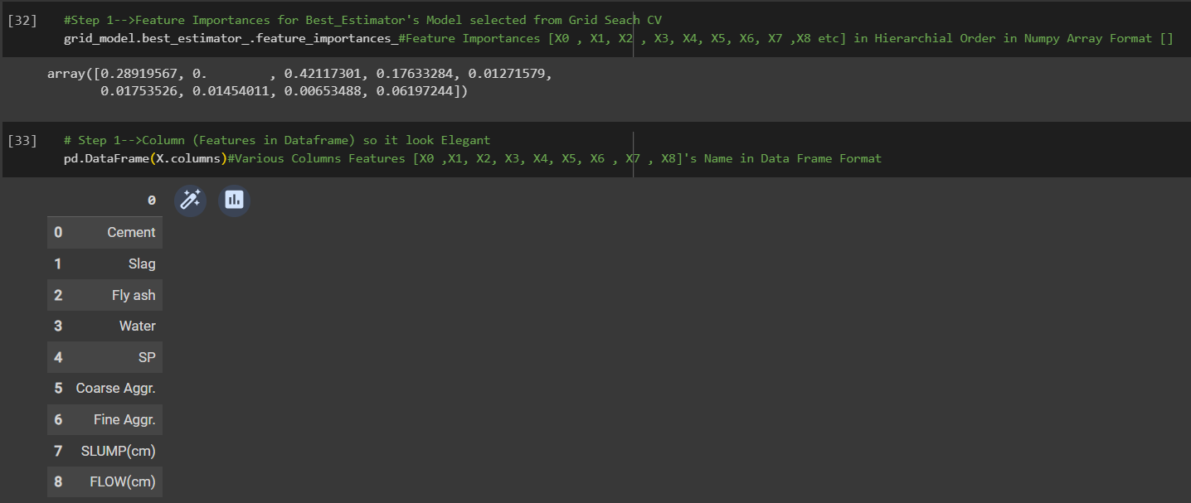 | ⇰REFERENCE (Website)-->1.11(iii) Google Colab DT (Decision Tree Regressors) With Grid Search CV Regarding Practical Implementation of Imperative Attributes of feature_importances_ | ⇰REFERENCE (Website)-->Stackoverflow Regarding Thereotical & Conceptual Understanding of Attributes Running feature_importance with grid search cv_best_estimator

▣Conversion of feature_importances_ into dataframe So in that way it will easier to read & all features based on their importance will be in Hierarchical Order. ▣In this Case we can see Fly ash is most important features because it scores 0.42 in terms of it's weightage. ▣Best_Estimator's Model from Grid Search CV for This Attributes

❹Feature Importances According in Data Frame Format in Sorting Order (Basically in Simple Words Attributes of Features Importance in Data Frame Format as well as Values sorted in Ascending Order. | ⇰REFERENCE (Website)-->1.11(iii) Google Colab DT (Decision Tree Regressors) With Grid Search CV Regarding Practical Implementation of Imperative Attributes of feature_importances_ in Data Frame Format
 |  | ⇰REFERENCE (Website)-->Stackoverflow Regarding Thereotical & Conceptual Understanding of Attributes Running feature_importance with grid search cv_best_estimator



⇰max_features_:int ❶The inferred value of max_features. ❷Best_Estimator's Model from Grid Search CV for This Attributes. ❸max_features is a crucial hyperparameter in decision tree algorithms like those in scikit-learn. It determines the maximum number of features considered when making each split decision during Decision Tree construction. | ⇰REFERENCE (Website)-->1.11(iii) Google Colab DT (Decision Tree Regressors) With Grid Search CV Regarding Practical Implementation of Imperative Attributes of max_features_ | ⇰REFERENCE (Website)-->Scikit Learn Regarding Thereotical & Conceptual Understanding of Attributes of Decision Tree Regressors | ⇰REFERENCE (Website)-->Towards Data Science Regarding Conceptual Understanding of Attributes⇒max_features in Decision Tree Classifiers Model

 |  | ⇰REFERENCE (Website)-->Udemy Regarding Thereotical & Conceptual Understanding of Various Methods of Decision Tree Classifiers

 | ⇰REFERENCE (Website)-->1.11(iii) Google Colab DT (Decision Tree Regressors) With Grid Search CV Regarding Practical Implementation of Imperative Attributes of n_features_in_

⇰n_features_in_:int ❶Number of features seen during fit. ❷ In Simple Words Number of features seen during fit.Only defined if best_estimator_ is defined Basically in Simple Words in this example of Decision Tree Regressors We have 9 Features so this attribute defines number of features used & available in for your data.

⇰feature_names_in_ndarray of shape (n_features_in_,) ❶Names of features seen during fit. Defined only when X has feature names that are all strings. ❷Defined only when X has feature names that are all strings & Precede to Feature Scaling Otherwise Due to Feature Scaling it will create Multiple Features. Basically in Other Word it Defines the Names of All Features (Independent Variable) That are Available in the Given Dataset. ❸Basically in Simple Words In Decision Tree Regressors We don't Need Feature Scaling That's why We can see By Implementing this Attribute we can see Names of Features Used for Decision Tree Regressors. | ⇰REFERENCE (Website)-->1.11(iii) Google Colab DT (Decision Tree Regressors) With Grid Search CV Regarding Practical Implementation of Imperative Attributes of features_names_in_
 |  | ⇰REFERENCE (Website)-->Scikit Learn Regarding Thereotical & Conceptual Understanding of Attributes of Decision Tree Regressors

 |  | ⇰REFERENCE (Website)-->Udemy Regarding Thereotical & Conceptual Understanding of Various Methods of Decision Tree Classifiers

 | ⇰REFERENCE (Website)-->1.11(iii) Google Colab DT (Decision Tree Regressors) With Grid Search CV Regarding Practical Implementation of Imperative Attributes of tree_

⇰tree_:Tree instance ❶The underlying Tree object. Please refer to help (sklearn.tree._tree.Tree) for attributes of Tree object and Understanding the decision tree structure for basic usage of these attributes. ❷Best_Estimator's Model from Grid Search CV for This Attributes ❸Basically in Simple Words This Attributes will tell us regarding Types of data (Format) & No of Elements Storage in what location ⇒(0x781a9ce2fc20>)?

 | ⇰REFERENCE (Website)-->1.11(iii) Google Colab DT (Decision Tree Regressors) With Grid Search CV Regarding Practical Implementation of Imperative Attributes of n_outputs_

⇰n_outputs_:int ❶The number of outputs when fit is performed. ❷Best_Estimator's Model from Grid Search CV for This Attributes

5.Decision Tree Visualization
▣ DECISION TREE VISUALIZATIONS | REFERENCE

 | ⇰REFERENCE (Website)-->Scikit Learn Regarding Thereotical & Conceptual Understanding of sklearn.tree.plot_tree

⇰decision_tree:decision tree regressor or classifier ❶The decision tree to be plotted. ❷Basically in Simple Words This is Main Hyper Parameter & Whatever Decision Tree Model (Classifcation Or Regressor) You have created you can plot same here. In this case we have used Grid Search CV So we will used best_estimator model (Decision Tree Classifier) from grid search cv . | ⇰REFERENCE (Website)-->Udemy Regarding Thereotical & Conceptual Understanding of Decision_Tree_Visualization

⇰max_depth:int, default=None ❶The maximum depth of the representation. If None, the tree is fully generated. ❷Basically in Simple Words maximum depth of our decision tree . If None, then nodes are expanded until all leaves are pure or until all leaves contain less than min_samples_split samples.

⇰feature_names:list of str, default=None ❶Names of each of the features. If None, generic names will be used (“x[0]”,“x[1]”, …). ❷ Defined only when X has feature names that are all strings .

⇰class_names:list of str or bool, default=None ❶Names of each of the target classes in ascending numerical order. Only relevant for classification & not supported for multi-output. If True, shows a symbolic representation of the class name.

⇰label:{‘all’, ‘root’, ‘none’}, default=’all’ ❶Whether to show informative labels for impurity, etc. Options include ‘all’ to show at every node, ‘root’ to show only at the top root node, or ‘none’ to not show at any node.

⇰filled:bool, default=False ❶When set to True, paint nodes to indicate majority class for classification, extremity of values for regression, or purity of node for multi-output. ❷Basically in Simple Words filled=True means Painting Colour based on Majority class for classification.

⇰impurity:bool, default=True ❶When set to True, show the impurity at each node.

⇰node_ids:bool, default=False ❶When set to True, show the ID number on each node.

⇰proportion:bool, default=False ❶When set to True, change the display of ‘values’ and/or ‘samples’ to be proportions and percentages respectively.

⇰rounded:bool, default=False ❶When set to True, draw node boxes with rounded corners and use Helvetica fonts instead of Times-Roman.

⇰fontsize:int, default=None ❶Size of text font. If None, determined automatically to fit figure.

 | ⇰REFERENCE (Website)-->1.11(iii) Google Colab DT (Decision Tree Classifiers) With Grid Search CV Regarding Practical Implementation of Decision Tree Visualizations

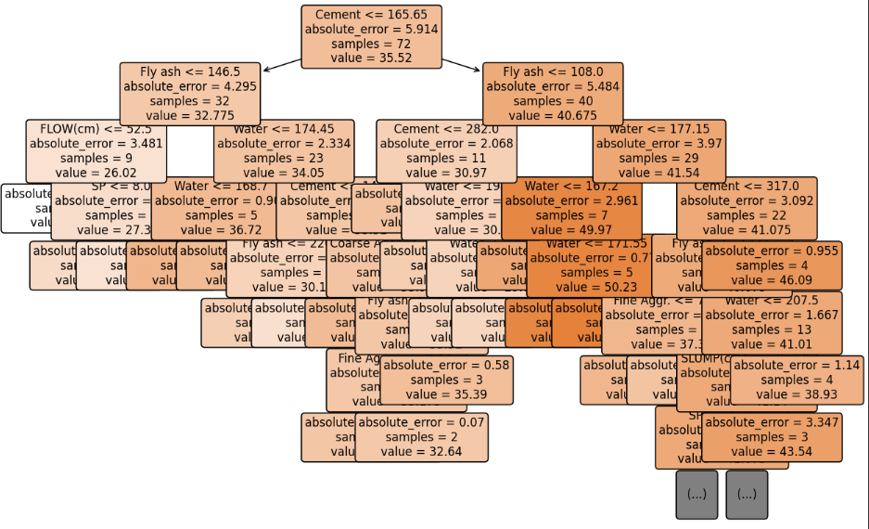

⇰get_depth() (DT VISUALIZATION) ❶Return the depth of the decision tree.The depth of a tree is the maximum distance between the root and any leaf. ❷Basically in Simple Words It is maximum depth of the tree. If None, then nodes are expanded until all leaves are pure or until all leaves contain less than min_samples_split samples.

⇰max_depth:int, default=None (PRUNING)
❶The maximum depth of the tree. If None, then nodes are expanded until all leaves are pure or until all leaves contain less than min_samples_split samples. ❷According to Udemy It is mandating a maximum depth of our decision tree.So what we can do here is decide that we only want the decision tree to have a depth of two potential split layers, essentially splitting off the root node and then splitting off of those nodes. Anything further down than that, we're going to go ahead and prune or cut off so we can mandate a maximum depth of the tree, which would mean that we would just go back up and make those terminal or leaf nodes instead of decision nodes.

 | ⇰REFERENCE (Website)-->1.11(iii) Google Colab DT (Decision Tree Classifiers) With Grid Search CV Regarding Practical Implementation of Methods get_depth for DT Visualization

⇰get_n_leaves() ❶Return the number of leaves of the decision tree. ❷ Basically in Simple words get_n_leaves() basically refer to no of Leaves (Terminal Node) Created in Decision Tree & Via scikit learn (plot_tree) you can do proper visualization. ❸Best_Estimator's Model from Grid Search CV for This Methods .

 | ⇰REFERENCE (Website)-->1.11(ii) Google Colab DT (Decision Tree Classifiers) With Grid Search CV Regarding Practical Implementation of Methods get_n_leaves for DT Visualization

6.TRAIN|TEST|SPLIT
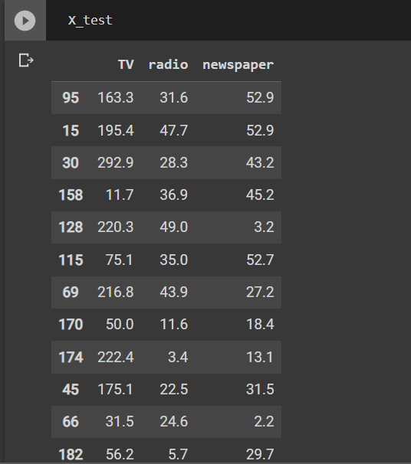
TRAIN | TEST | SPLIT

⇰REFERENCE (WEBSITE)-->Udemy Regarding Train_Test_Split
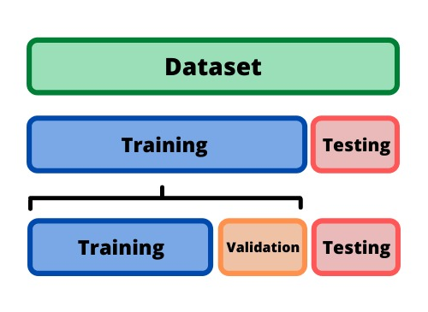 ⇰DEFINITION OF TRAIN-TEST-SPLIT →To fairly evaluate my model's performance, I don't want to evaluate it on the same data it was trained at. First we separates out the features and then it separates out the labels Further we'll separate out a training set and a test set Which Further Subdivide into 4 Components --> X train and Y train and then X test and y test the weights.

PARAMETERS FOR TRAIN | TEST | SPLIT | REFERENCE

⇰X_train→X_train Contains the Values of The Features (X1(Newspaper) ,X2(Radio) , X3(Television) This includes your all independent variables,these will be used to train the model, also as we have specified the test_size = 0.4, this means 60% of observations from your complete data will be used to train/fit the model and rest 40% will be used to test the model. | ⇰REFERENCE (Website)--> Stackoverflow Regarding TRAIN-TEST-SPLIT

⇰X_test→This is remaining 40% portion of the independent variables [Features(X1(Newspaper) ,X2(Radio) , X3(Television)] from the data which will not be used in the training phase and will be used to make predictions to test the accuracy of the model.
 | ⇰REFERENCE (Website)-> Stackoverflow Regarding TRAIN-TEST-SPLIT

⇰y_train→This is your dependent variable which needs to be predicted by this model, this includes category labels against your independent variables (Output =Total Sales), we need to specify our dependent variable while training/fitting the model.

 | ⇰REFERENCE (Website)-->(1.2) Google Colab Linear Regression Regarding Practical Implementation (Coding) of TRAIN | TEST SPLIT
⇰y_test→This data has category labels (Dependent Variable) (Output = Total Sales) for your test data, these labels will be used to test the accuracy between actual and predicted categories.

⇰test_size→test_size is the number that defines the size of the test set. It's very similar to train_size . You should provide either train_size or test_size . If neither is given, then the default share of the dataset that will be used for testing is 0.25 , or 25 percent. Especially in This Case test_size is 0.3 or 30% of Total Data Size.
 | ⇰REFERENCE (Website)-> Scikit Learn Regarding TRAIN-TESTS-SPLIT

⇰Random_state →Random_state is used to set the seed for the random generator so that we can ensure that the results that we get can be reproduced. Because of the nature of splitting the data in train and test is randomised you would get different data assigned to the train and test data unless you can control for the random factor. ↔Example-->For example, imagine you have numbers: 1,2,3,4,5 and you want to select two random numbers. Without using a random_state you would get different things: i.e. first 2,5 then 3,4 and so on.When you control the random generator by setting the random state to 0, 1 or another number, everyone would get the same random numbers generated: i.e random_state=1 then the random numbers are 1,3 and everyone who will pick two random numbers using random_state=1 from 1,2,3,4,5 will get the same two numbers as you: 1,3. →The random state hyperparameter is used to control any such randomness involved in machine learning models to get consistent results. We can use cross-validation to mitigate the effect of randomness involved in machine learning models. →Reason For Random State Usage--> ❶. We need t
 | ⇰REFERENCE (Website)-> Real Python Regarding TRAIN-TESTS-SPLIT

 | ⇰REFERENCE (Website)--> Geeks For Geeks Regarding Practical Impelentation (Coding) of TRAIN | TEST SPLIT

 | ⇰REFERENCE (Website)-> Scikit Learn Regarding TRAIN-TESTS-SPLIT

 | ⇰REFERENCE (Website)-> Real Python Regarding TRAIN-TESTS-SPLIT

⇰Shuffle Split→shuffle is the Boolean object (True by default) that focus on whether to shuffle the dataset before applying the split. →Reason For Random State Usage--> ❶The other reason that we have a random state here is because what Sk learn is going to do when it calls train test split is it's actually going to shuffle the arrays first.So you'll notice here that it actually is calling a shuffle split.That's why main reason it's calling a shuffle split. ❷If we See almost any Data set We can tell that more or less my data appears to be in no sort of sorted order.But for other data sets, it's not uncommon that when you read it in, it's actually already sorted for you. What we don't want to do is if our data set is in some sort of order or sorted is grab the first 70% of the rows for the train set and then the last 30% for the test set. Instead, we want to make sure that we shuffle everything first and then grab the 70% and 30%.That way I don't have an accidentally ordered data set and the test set happens to be all the highest sales and the training set is the lowest 70% of sales. That could be really dangerous as far as fairly evaluating and training your model. So instead we just alleviate any issues of that by shuffling the data set first.

 | ⇰REFERENCE (Website)-->(1.2) Google Colab Linear Regression Regarding Practical Implementation (Coding) of TRAIN | TEST SPLIT

 | ⇰REFERENCE (Website)-->(1.3) Google Colab (Polynomial Regression) Regarding Practical Implementation (Coding) of TRAIN | TEST SPLIT

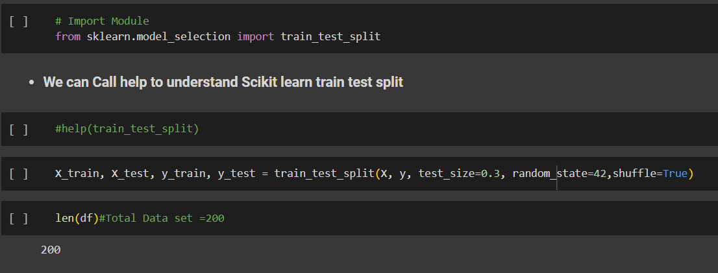 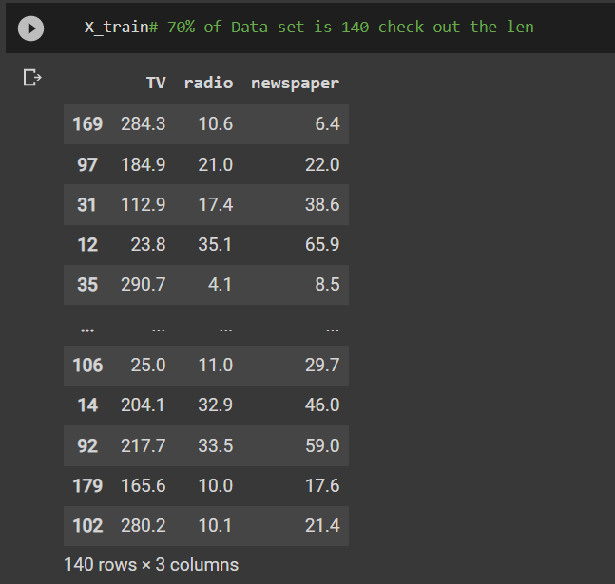 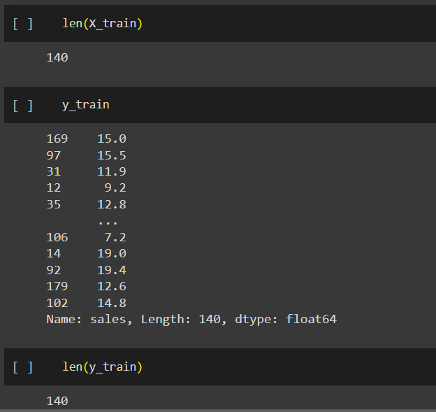 | ⇰REFERENCE (Website)-->(1.2) Google Colab Linear Regression Regarding Practical Implementation (Coding) of TRAIN | TEST SPLIT

 | ⇰REFERENCE (Website)-->(1.3) Google Colab (Polynomial Regression) Regarding Practical Implementation (Coding) of TRAIN | TEST SPLIT

7.Perf Eval (Error Metrics)

▣ PERFORMANCE EVALUTION ERROR METRICS |  |  | REFERENCE

▣REGRESSION BASED PERF-ERROR METRICS
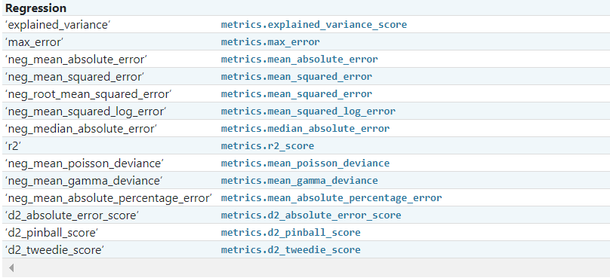 |  |  | ⇰REFERENCE (Website)-->ScikitLearn Regarding Conceptual & Practical Implementation of Scoring & Perf Eval (Error Metrics) For (I.Classification , II.Regression & III.Clustering)

 |  |  | ⇰REFERENCE (Website)-->Udemy Regarding Conceptual Understanding of Various Perf Evaluation Metrics (MAE ,MSE, RMSE, MAPE)

⇰mean square error (MSE)
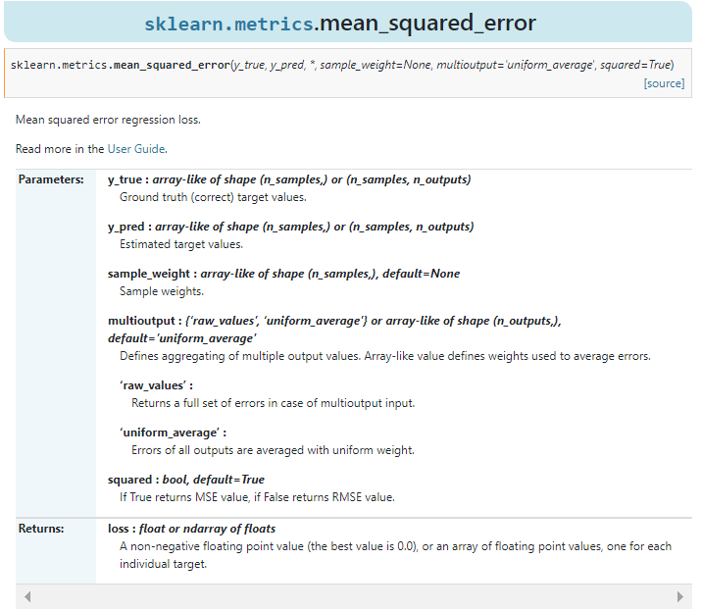 |  |  | ⇰REFERENCE (Website)-->ScikitLearn Regarding Conceptual & Practical Implementation of Scoring & Perf Eval (Error Metrics) For (I.Classification , II.Regression & III.Clustering) | ⇰REFERENCE (Website)-->Stackoverflow Regarding Conceptual Understanding of MSE (Mean Square Errors)

 |  |  |  | ⇰REFERENCE (Website)-->Geeks for Geeks Regarding Conceptual Understanding of Perf Eval Metric (MSE) Mean Square Errors

 |  |  | ⇰REFERENCE (Website)-->Udemy Regarding Conceptual Understanding of Various Perf Evaluation Metrics (MAE ,MSE, RMSE, MAPE)

❶According to Scikitlearn (MSE) Mean squared error regression loss. ❷According to Geeks for Geeks =>The Mean Squared Error (MSE) or Mean Squared Deviation (MSD) of an estimator measures the average of error squares i.e. the average squared difference between the estimated values & true value. It is a risk function, corresponding to the expected value of the squared error loss. It is always non – negative & values close to zero are better. The MSE is the second moment of the error (about the origin) & thus incorporates both the variance of the estimator and its bias. |  |  | ⇰REFERENCE (Website)-->Geeks for Geeks Regarding Conceptual Understanding of Perf Eval Metric (MSE) Mean Square Errors | ⇰REFERENCE (Website)-->Udemy Regarding Conceptual Understanding of Various Perf Evaluation Metrics (MAE ,MSE, RMSE, MAPE)

 |  |  | ⇰REFERENCE (Website)-->Stackoverflow Regarding Conceptual Understanding of MSE (Mean Square Errors) | ⇰REFERENCE (Website)-->ScikitLearn Regarding Conceptual & Practical Implementation of Scoring & Perf Eval (Error Metrics) For (I.Classification , II.Regression & III.Clustering)

⇰mean absolute errors (MAE)
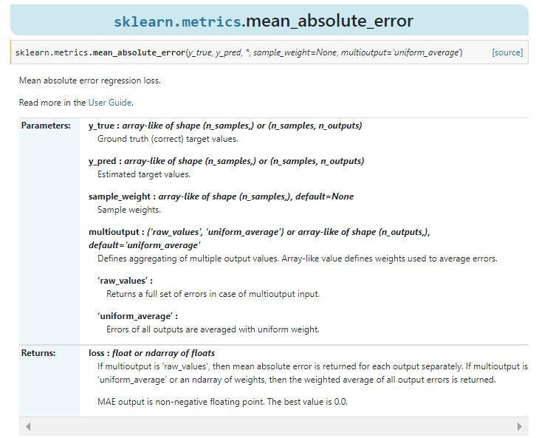 |  |  | ⇰REFERENCE (Website)-->Scikitlearn Regarding Conceptual & Practical Understanding of (MAE) mean_absolute_errors

❶According to Scikitlearn (MAE) Mean Absolute Errors Regression Loss. ❷According to Geeks For Geeks Mean Absolute Error (MAE) calculates the average difference between the calculated values & actual values. It is also known as scale-dependent accuracy as it calculates error in observations taken on the same scale. It is used as evaluation metrics for regression models in machine learning. It calculates errors between actual values & values predicted by the model. It is used to predict the accuracy of the machine learning model. |  | 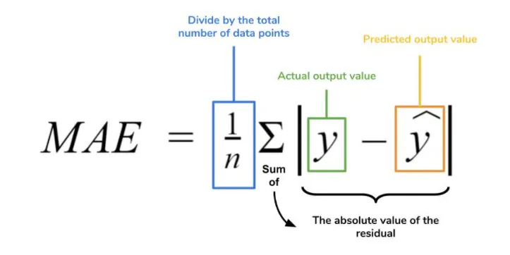 | ⇰REFERENCE (Website)-->Geeks for Geeks Regarding Conceptual Understanding of Perf Eval Metric (MAE) Mean Absolute Errors | ⇰REFERENCE (Website)-->Medium Regarding Conceptual Understanding of (MAE) Mean Absolute Error Challenge by Roi Polanitzer

 |  |  | ⇰REFERENCE (Website)-->(Statistics Showto) Regarding Conceptual Understanding of Absolute Errors & Mean Absolute Errors | ⇰REFERENCE (Website)-->Udemy Regarding Conceptual Understanding of Various Perf Evaluation Metrics (MAE ,MSE, RMSE, MAPE)

⇰ROOT MEAN SQUARE ERRORS (RMSE)
❶According to (Java T Point) RSME (Root mean square error) calculates the transformation between values predicted by a model & actual values. In other words, it is one such error in the technique of measuring the precision & error rate of any machine learning algorithm of a regression problem. Error metric allows us to track the various matrices efficiency & accuracy. |  | 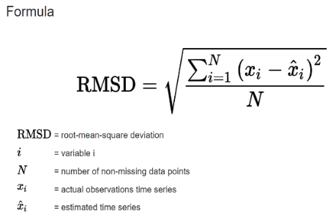 | ⇰REFERENCE (Website)->Java T Point Regarding Conceptual Implementation of Root Mean Square Errors (RMSE) | ⇰REFERENCE (Website)-->Statistics By Jim Regarding Conceptual Understanding of RMSE (Root Mean Square Errors)

 |  |  | ⇰REFERENCE (Website)-->SAP Portal Regarding Conceptual Understanding of Root Mean Square Errors (RMSE)
 |  |  |  | ⇰REFERENCE (Website)-->C3.ai Regarding Conceptual Understanding of Root Mean Square Errors (RMSE)
❷According to (C3.ai) ⇒Root mean square error or root mean square deviation is one of the most commonly used measures for evaluating the quality of predictions. It shows how far predictions fall from measured true values using Euclidean distance.

❸To compute RMSE, calculate the residual (difference between prediction & truth) for each data point, compute the norm of residual for each data point, compute the mean of residuals & take the square root of that mean. RMSE is commonly used in supervised learning applications, as RMSE uses & needs true measurements at each predicted data point.

⇰MAPE (Mean Absolute Percentage Errors)
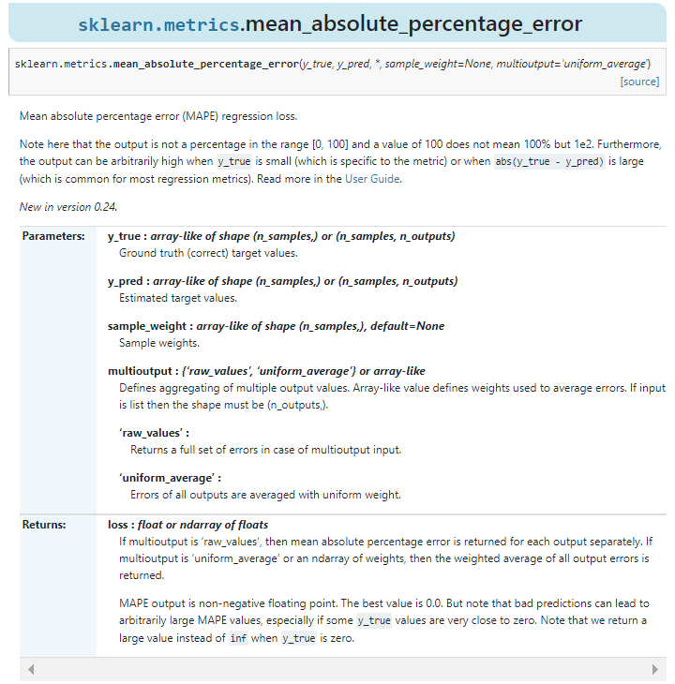 |  |  | ⇰REFERENCE (Website)-->Scikitlearn Regarding Conceptual Understanding of Mean Absolute Percentage Errors (MAPE)

 |  |  | ⇰REFERENCE (Website)-->ScikitLearn Regarding Conceptual & Practical Implementation of Scoring & Perf Eval (Error Metrics) For (I.Classification , II.Regression & III.Clustering)

 |  |  | ⇰REFERENCE (Website)-->Udemy Regarding Conceptual Understanding of Various Perf Evaluation Metrics (MAE ,MSE, RMSE, MAPE)

❶According to Scikit Learn Mean absolute percentage error (MAPE) regression loss. ▣(Note here that the output is not a percentage in the range [0, 100] & a value of 100 does not mean 100% . Furthermore, the output can be arbitrarily high when y_true is small (which is specific to the metric) or when abs(y_true - y_pred) is large (which is common for most regression metrics). |  |  | ⇰REFERENCE (Website)-->Scikitlearn Regarding Conceptual Understanding of Mean Absolute Percentage Errors (MAPE)

 |  |  | ⇰REFERENCE (Website)-->Oracle Regarding Thereotical & Conceptual Understanding of MAPE (Mean Absolute Percentage Errors) | ⇰REFERENCE (Website)-->Geeks for Geeks Regarding Conceptual Understanding of Mean Absolute Percentage Errors (MAPE)
❷According to (Oracle) MAPE is the mean absolute percentage error, which is a relative measure that essentially scales MAE to be in percentage units instead of the variable’s units.Mean absolute percentage error (MAPE) is a relative error measure that uses absolute values to keep the positive & negative errors from canceling one another out and uses relative errors to enable you to compare forecast accuracy between time-series models.

⇰R2 Score
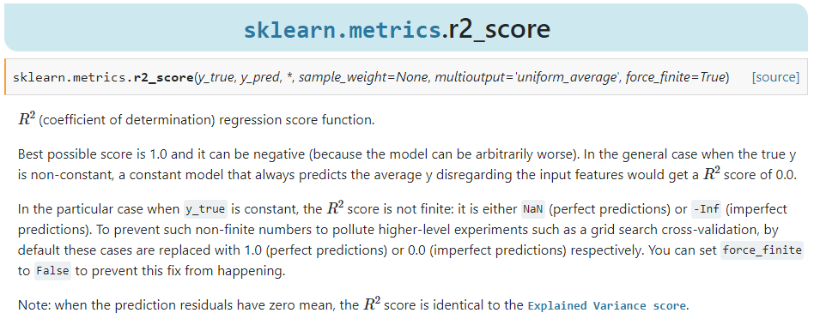 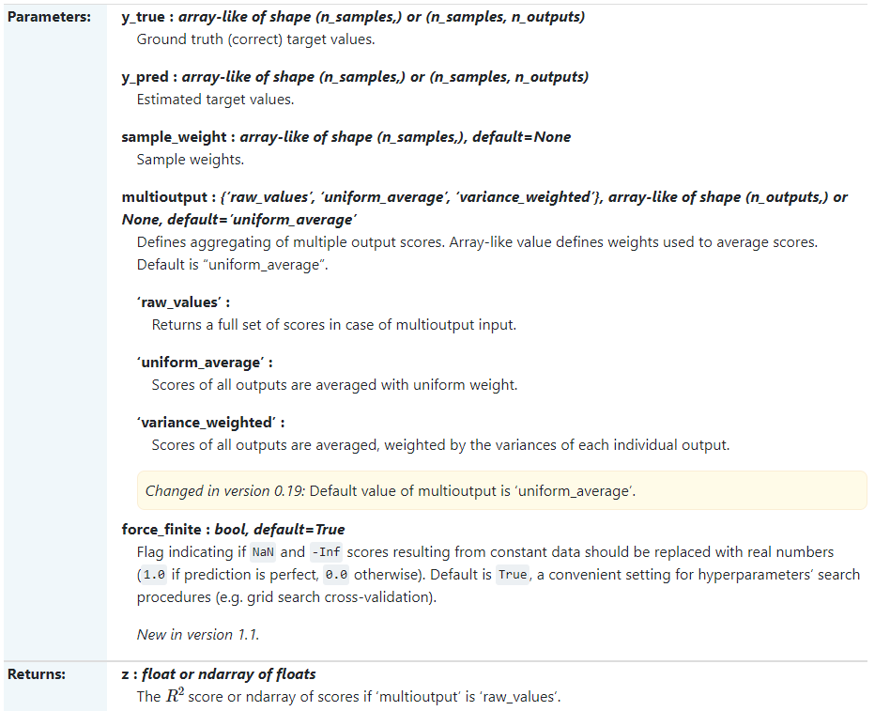 |  |  | ⇰REFERENCE (Website)-->Scikitlearn Regarding Thereotical & Conceptual Understanding of r2_score

 |  |  | ⇰REFERENCE (Website)-->ScikitLearn Regarding Conceptual & Practical Implementation of Scoring & Perf Eval (Error Metrics) For (I.Classification , II.Regression & III.Clustering)

 |  |  | ⇰REFERENCE (Website)-->Udemy Regarding Conceptual Understanding of Various Perf Evaluation Metrics (MAE ,MSE, RMSE, MAPE)

❶According to Scikitlearn (R² Score) (coefficient of determination) regression score function.Best possible score is 1.0 & it can be negative (because the model can be arbitrarily worse). In the general case when the true y is non-constant, a constant model that always predicts the average (y) disregarding the input features would get a score of 0.0. |  |  | ⇰REFERENCE (Website)-->Scikitlearn Regarding Thereotical & Conceptual Understanding of r2_score

 |  |  | ⇰REFERENCE (Website)-->ScikitLearn Regarding Conceptual & Practical Implementation of Scoring & Perf Eval (Error Metrics) For (I.Classification , II.Regression & III.Clustering)

❷In the particular case when y_true is constant, the score is not finite: it is either NaN (perfect predictions) or -Inf (imperfect predictions). To prevent such non-finite numbers to pollute higher-level experiments such as a grid search cross-validation, by default these cases are replaced with 1.0 (perfect predictions) or 0.0 (imperfect predictions) respectively. You can set force_finite to False to prevent this fix from happening.

⇒(INVESTOPEDIA) According to Investopedia R-squared (R2) is a statistical measure that represents the proportion of the variance for a dependent variable that’s explained by an independent variable in a regression model. ⇒(UNDERSTANDING) Whereas correlation explains the strength of the relationship between an independent & a dependent variable, R-squared explains the extent to which the variance of one variable explains the variance of the second variable. So, if the R2 of a model is 0.50, then approximately half of the observed variation can be explained by the model’s inputs. |  | 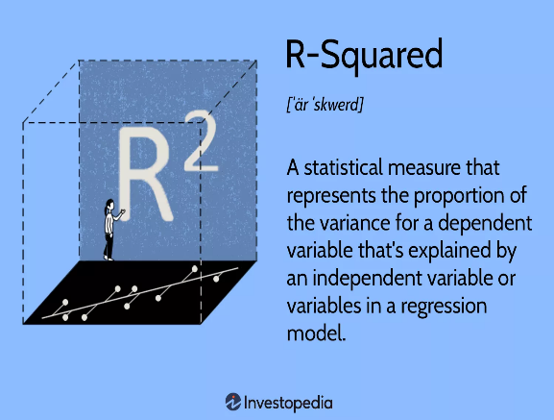

 |  |  | ⇰REFERENCE (Website)-->Investopedia Regarding Conceptual Understanding of Regression Error Metric R2 Square

▣KEY TAKEAWAYS FOR R2 SQUARE

❶R-squared is a statistical measure that indicates how much of the variation of a dependent variable is explained by an independent variable in a regression model. ❷In investing, R-squared is generally interpreted as the percentage of a fund’s or security’s price movements that can be explained by movements in a benchmark index. ❸An R-squared of 100% means that all movements of a security (or other dependent variable) are completely explained by movements in the index (or whatever independent variable you are interested in). |  |  | ⇰REFERENCE (Website)-->Investopedia Regarding Conceptual Understanding of Regression Error Metric R1 Square & Various Key Takeaways by R2 Square | ⇰REFERENCE (Website)-->Udemy Regarding Conceptual Understanding of Various Perf Evaluation Metrics (MAE ,MSE, RMSE, MAPE)

▣EXAMPLES
①According to Geeks for Geeks Coefficient of determination also called as R2 score is used to evaluate the performance of a linear regression model. It is the amount of the variation in the output dependent attribute which is predictable from the input independent variable(s). It is used to check how well-observed results are reproduced by the model, depending on the ratio of total deviation of results described by the model. | 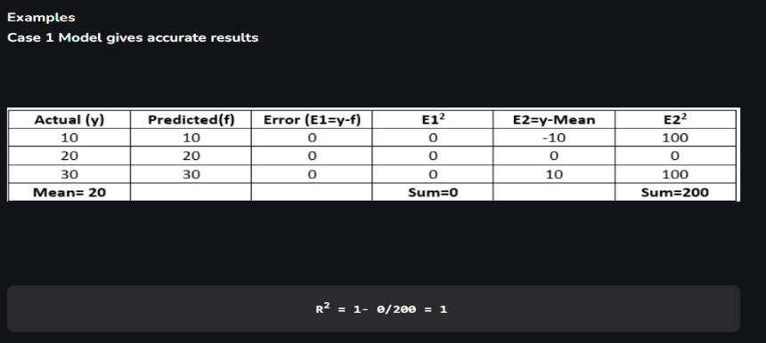
 |  |  | ⇰REFERENCE (Website)-->Geeks for Geeks Regarding Conceptual Understanding of Coefficient of Determination of R2 Square of Error Metrics | ⇰REFERENCE (Website)-->StacksExchange Regarding Conceptual Understanding of Various Definition of (R² Score) (sklearn.metrics.r2_score)

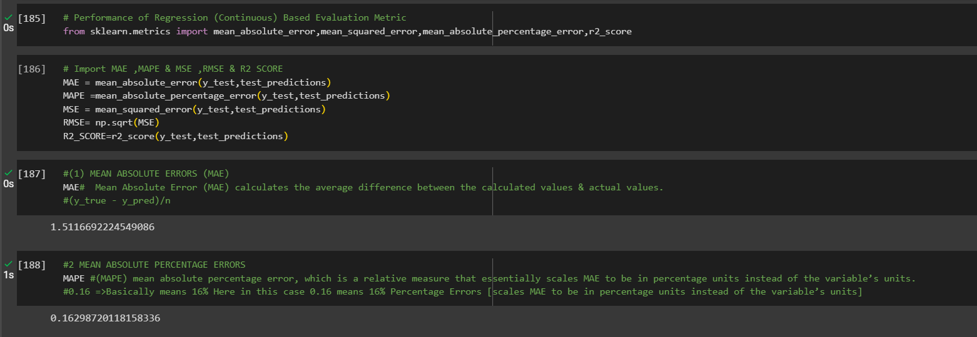 |  |  | ⇰REFERENCE (Website)-->1.2 (Google Colab) Linear Regression Regarding Conceptual Understanding of Various Error Metrics (Perf Eval⇒MAE ,MSE ,MAPE & R2Score)

